Sheet1
IMAGE | DESCRIPTION | ITEM | SIZE | QTY

 | MADISON PARK 100% POLYPROPYLENE ALPHA RUG | LWC35-001 | 8' X 10' | 612
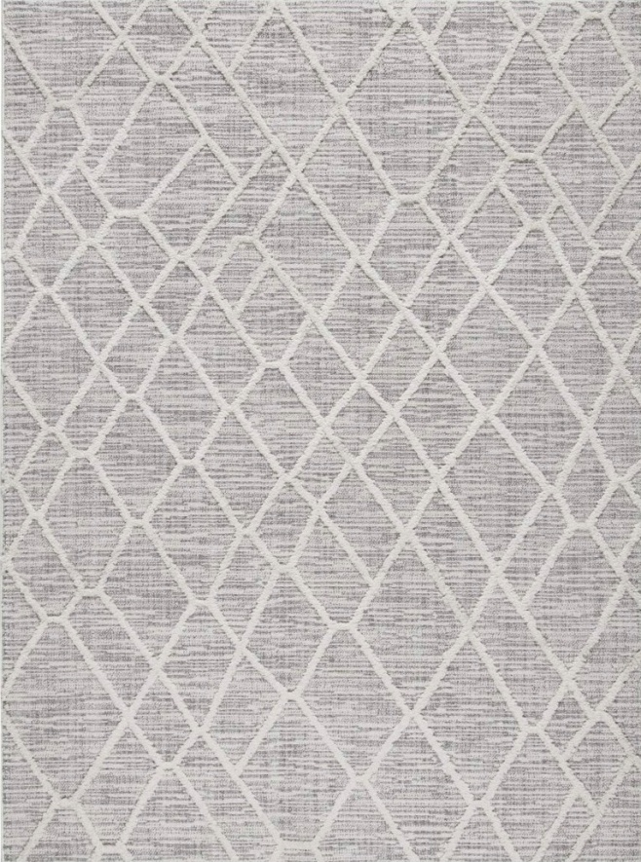 | MADISON PARK 100% POLYESTER TERNI PEBBLE GREY INDOOR AREA RUG | MP35-7185 | 5' X 7' | 80
 |  | MP35-7186 | 8' X 10' | 62
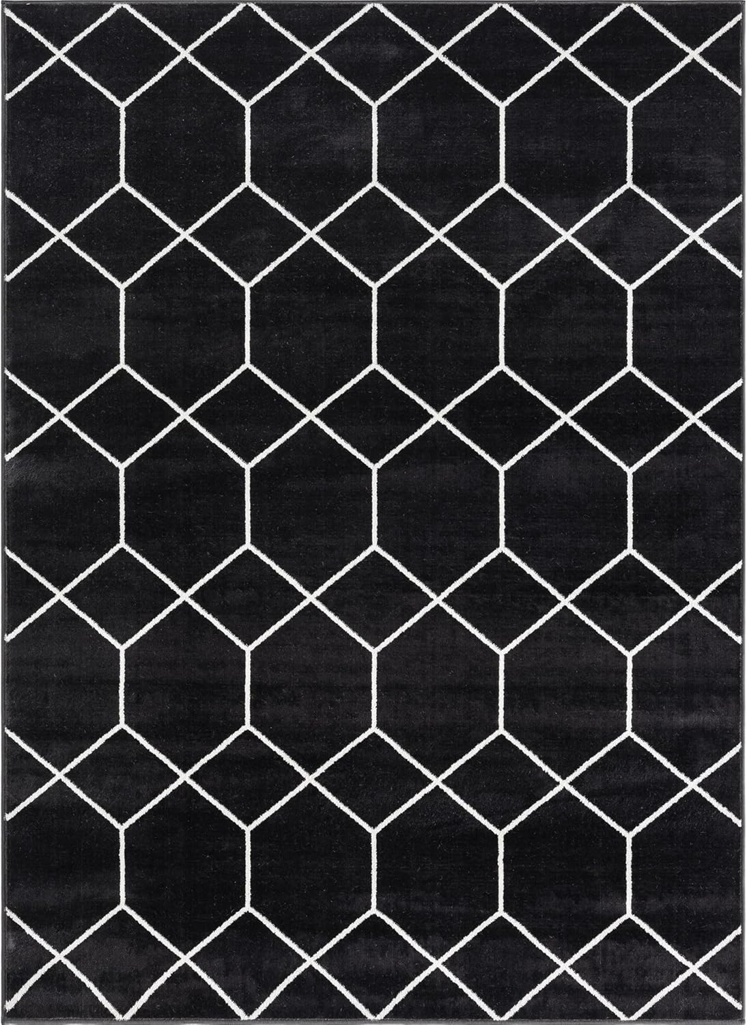 | MADISON PARK 100% POLYESTER TRELLIS GEOMETRIC WOVEN AREA RUG | MP35-8064 | 8' X 10' | 80
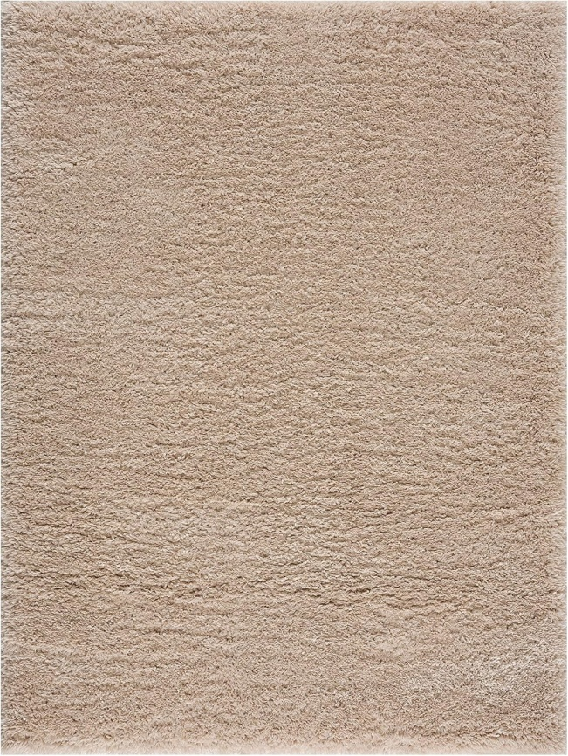 | MADISON PARK 100% POLYESTER OMEGA SHAG CREAM AREA RUG | MP35-7569 | 4' X 6' | 95
 |  | MP35-7570 | 5' X 7' | 223
 |  | MP35-7571 | 6' X 9' | 237
 | MADISON PARK 100% POLYESTER OMEGA SHAG GREY AREA RUG | MP35-7573 | 4' X 6' | 116
 |  | MP35-7574 | 5' X 7' | 251
 |  | MP35-7575 | 6' X 9' | 262
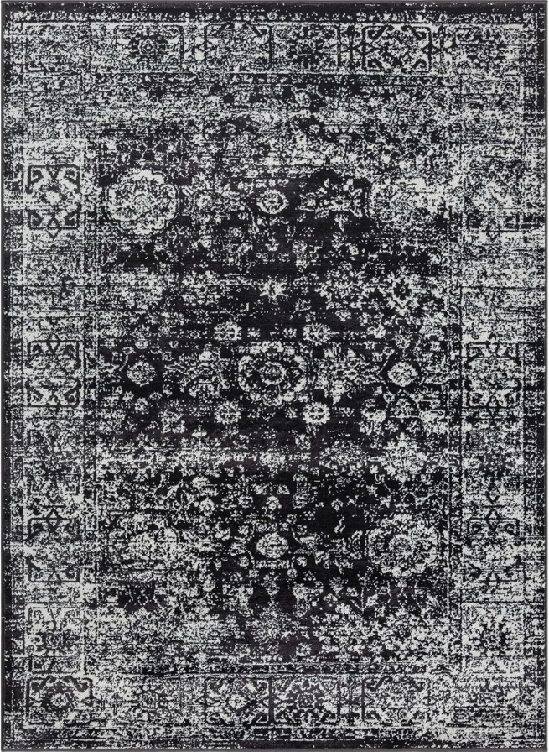 | MADISON PARK 100% POLYESTER DISTRESSED VINTAGE PERSIAN WOVEN AREA RUG | MP35-8067 | 8' X 10' | 72
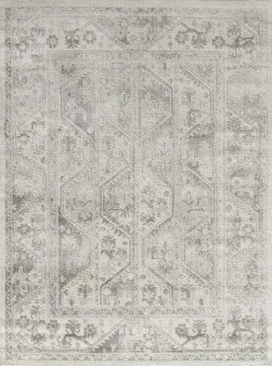 | MADISON PARK 100% POLYPROPYLENE VIENNA TILED BORDER AREA RUG | MP35-7071 | 8' X 10' | 128
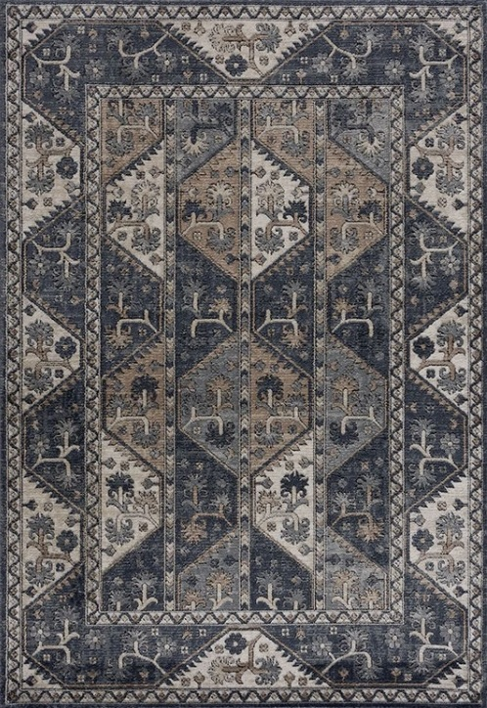 | MADISON PARK 100% POLYPROPYLENE VIENNA TILED BORDER AREA RUG | MP35-7559 | 8' X 10' | 404
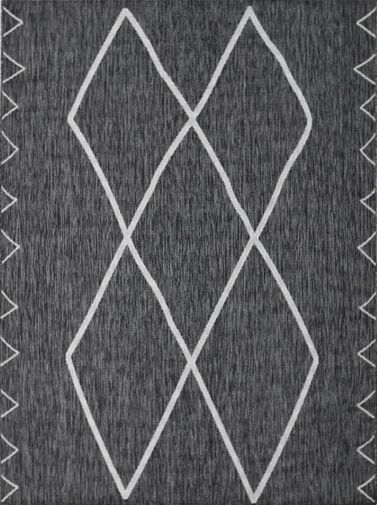 | MADISON PARK 100% POLYPROPYLENE MACHINE WOVEN PRINTED RUG | GP35-0006 | 2'7" X 6'10" | 65
 |  | GP35-0005 | 8' X 10' | 64
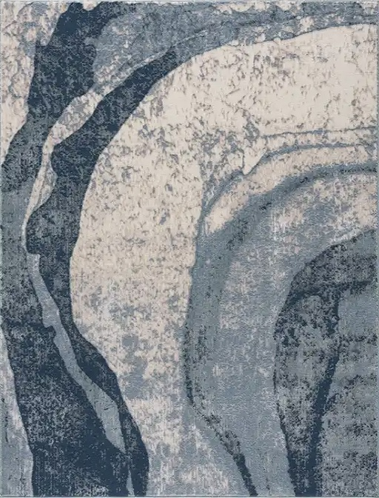 | MADISON PARK 75% POLYPROPYLENE/25% POLYESTER ABSTRACT WAVE BLUE AREA RUG | MP35-7562 | 5' X 7' | 192
 |  | MP35-7563 | 8' X 10' | 45
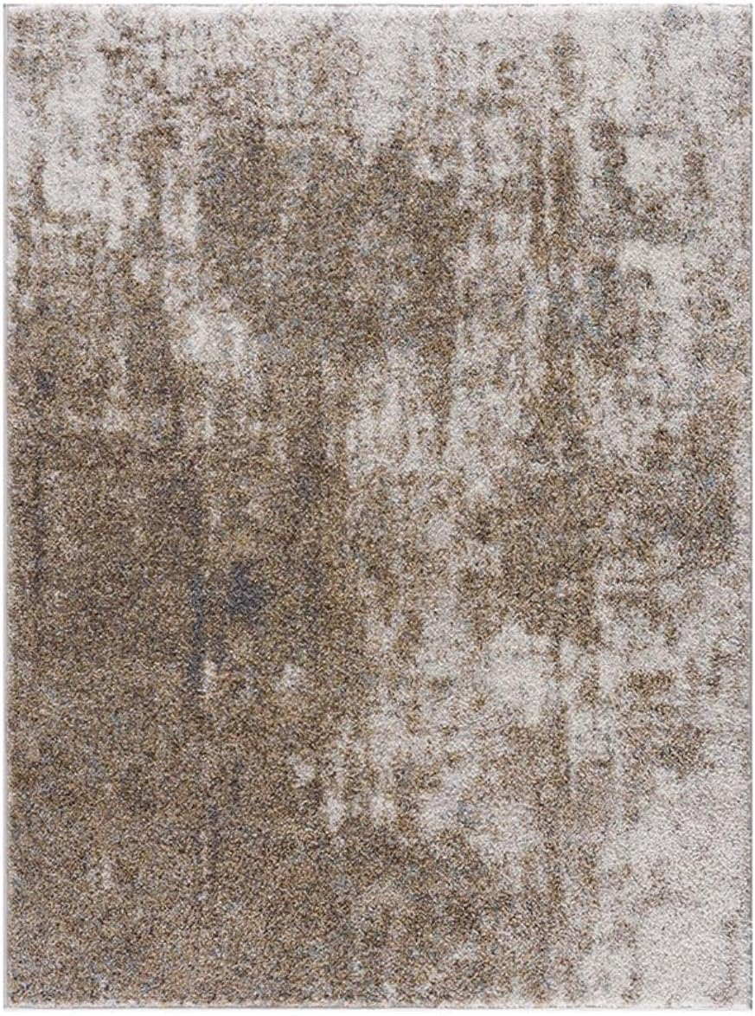 | MADISON PARK 100% POLYPROPYLENE COZY SHAG ABSTRACT AREA RUG | MP35-7591 | 5' X 7' | 263
 |  | MP35-7592 | 6' X 9' | 209
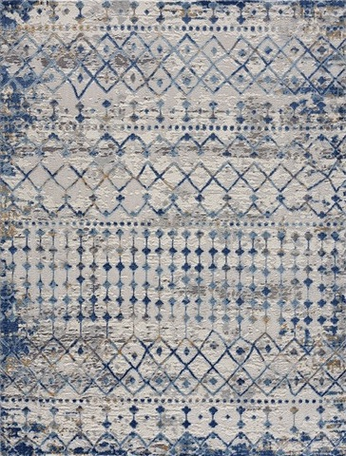 | MADISON PARK 75% POLYPROPYLENE/25% POLYESTER SHRINK ADEL MOROCCAN AREA RUG | MP35-7578 | 5' X 7' | 134
 |  | MP35-7579 | 6' X 9' | 21
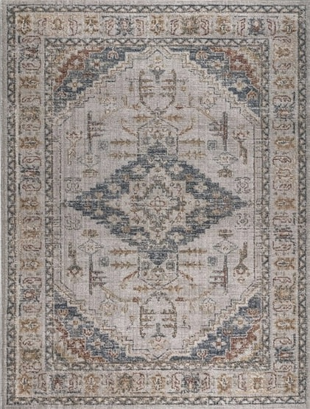 | MADISON PARK 100% POLYESTER/POLYESTER SHRINK VINTAGE MEDALLION WOVEN AREA RUG | MP35-8049 | 8' X 10' | 83
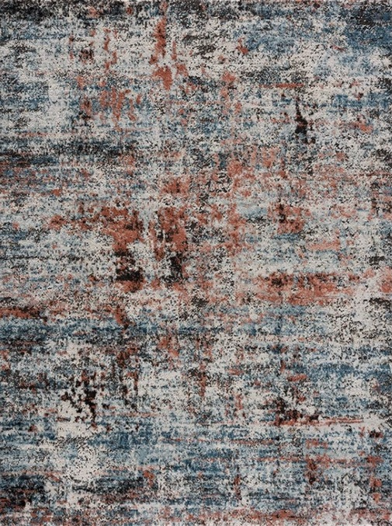 | MADISON PARK 75% POLYPROPYLENE/25% POLYESTER PEGASUS ABSTRACT MULTI AREA RUG | MP35-7552 | 5' X 7' | 105
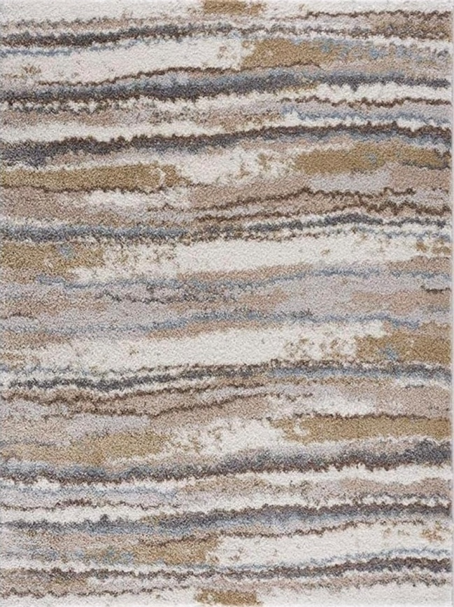 | MADISON PARK 100% POLYPROPYLENE COZY SHAG WATERCOLOR AREA RUG | MP35-7587 | 5' X 7' | 228
 |  | MP35-7588 | 6' X 9' | 118
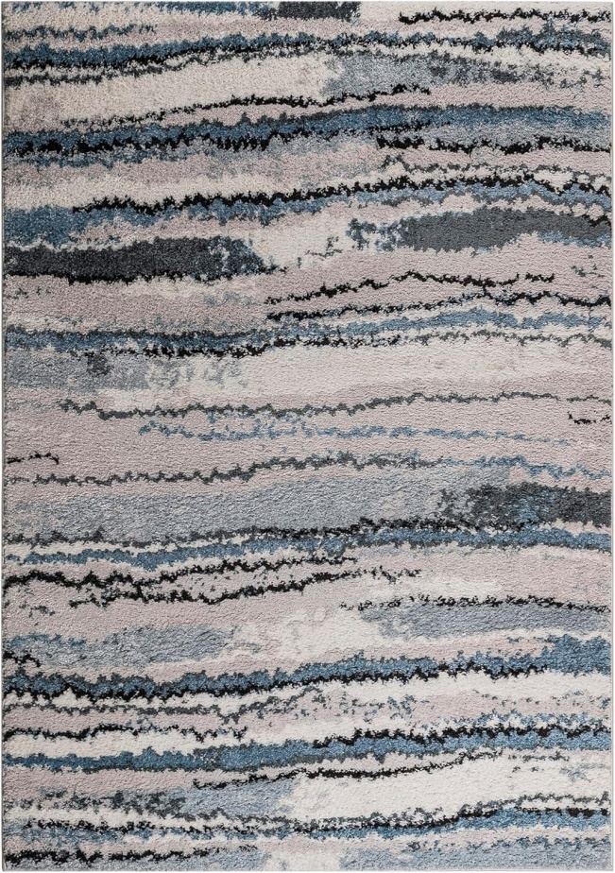 | MADISON PARK 100% POLYPROPYLENE FRISE WATERCOLOR ABSTRACT STRIPE WOVEN AREA RUG | MP35-8043 | 5' X 7' | 59
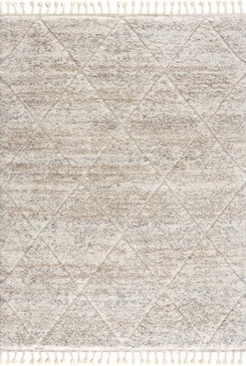 | MADISON PARK 100% POLYPROPYLENE SERTA TALAS SHAG AREA RUG | ST35-0252 | 5' X 7' | 133
 |  | ST35-0253 | 8' X 10' | 45
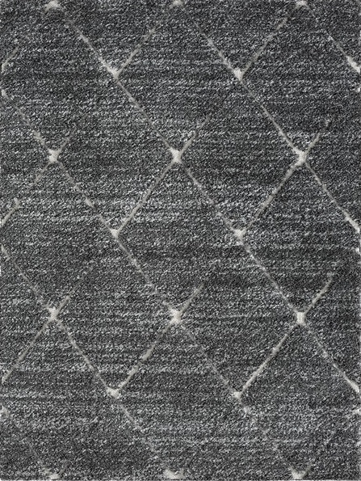 | MADISON PARK 100% POLYPROPYLENE FRISE TALAS TRELLIS GREY/CREAM AREA RUG | MP35-8036 | 5' X 7' | 91
 |  | MP35-8039 | 8' X 10' | 44

 | TOTAL |  |  | 4,521

